1. Title Page
Instacart Grocery Basket Analysis

Project Name: Instacart Grocery Basket Analysis
Date: 09/09/2023
Analyst Name: Maria Aisling Tortosa Tucker

Contents:
Population Flow
Consistency checks
Wrangling steps
Column derivations
Visualizations
Recommendations

Data Citation:
"The Instacart Online Grocery Shopping Dataset 2017". Accessed from www.instacart.com/datasets/grocery-shopping-2017 via Kaggle on 02/08/2023. The customer data as well as the “prices” column in the products data set, were both fabricated for the purpose of this course.

2. Population Flow
Title page

Population flow

Exclusion flag
Condition: max_order <
Obervations to be removed:
Final total count of order_products_all:

Orders_products_combined
Orders_products_merged
Orders_products_all

Total: 32,404,859 rows x 23 columns
Total: 32,404,859 rows x 30 columns
Total: 32,434,489 rows x 10 columns

1.) The grey boxes in the first row of the population flow represent the original data sets as they were when you downloaded them. In the Total fields you need to add the count of the rows when you imported the data set into Jupyter.
2.) The second row of boxes (coloured) represents the data sets after you manipulated them, e.g., removed missing values and duplicates. In the Total fields you need to add the count of the rows after conducting these operations. This offers a visual oveview of how the data flows throughout the data consistency checks.
3.) The third row, where also the arrows are coloured, represents the merges you performed between the datasets. In the Total fields you need to add the count of the rows in the merged datasets, so that you end up with the final dataset (in the red box). Keep in mind the final dataset should be without exclusions (based on the exclusion flag).

3. Consistency checks
 |  |  |  | Title page
Consistency checks

Dataset | Missing values | Missing values treatment | Duplicates
orders | 206209 missing values from days_since_prior_order | determined to be associated with 1st time orders. No action taken | No duplicates found
products | 16 missing values from product_name | dropped the 16 missing values | 5 full duplicates found from products and were dropped
orders_products_prior | no missing values |  | No duplicates found
customers | 11,259 first names missing | none; first/last_names won't be used to identify customers, but instead user_id, so no need to remove | No duplicates found

4. Wrangling steps
 |  |  |  | Title page
Wrangling steps

ORDERS DATAFRAME
Columns dropped | Columns renamed | Columns' type changed | Comment/Reason
eval_set from df_ords |  |  | As per block 4.4 the information contained in this column is irrelevant for our purposes.
 | order_dow = order_day_of_week |  | dow is not the most self-explanatory, especially for other stakeholders who might need access to the data.
 |  | order_id changed to string | The values in this column don't represent real numeric values, rather, keys related to specific orders.
 |  | user_id changed to string | The values in this column don't represent real numeric values, rather, keys related to specific users.
_merge
Unnamed: 0
 | price_range_loc = price_range

CUSTOMERS DATAFRAME
Columns dropped | Columns renamed | Columns' type changed | Comment/Reason
Surnam |  |  | I dropped this column during task 4.9 before PII was explained because 1st customer names' brought no value to our analysis and 2nd because we all know the GDPR criteria so I knew I could not use the data.
First Name |  |  | I dropped this column during task 4.9 before PII was explained because 1st customer names' brought no value to our analysis and 2nd because we all know the GDPR criteria so I knew I could not use the data.
 |  | user_id changed to string | The values in this column don't represent real numeric values, rather, keys related to specific users.

5. Column derivations
 |  |  |  | Title page

Column derivations and aggregations

In this tab you should add tables below that the frequences of flags/label variables that you produced after deriving them. NB: don't do this for continuous variables, only for flags.
Dataset | New column | Column/s it was derived from | Conditions
orders_products_merged | price_range | prices | If price is > 15 then " High-range product" If price is >5 and <= 15 then "Mid-range product" If price <= 5 then "Low-range product"
orders_products_merged | busiest_day | orders_day_of_week | for value in ords_prods_merge["orders_day_of_week"]: if value == 0: result.append("Busiest day") elif value == 4: result.append("Least busy") else: result.append("Regularly busy")
orders_products_merged | busiest_days | orders_day_of_week | for value in df_ords_prods_merged["orders_day_of_week"]: if value == 0 or value ==1: result2.append("Busiest days") elif value == 4 or value == 3: result2.append("Least busy days") else: result2.append("Regularly busy")
orders_products_merged | busiest_period_of_day | order_hour_of_day | for value in df_ords_prods_merged["order_hour_of_day"]: if value in [9, 10, 11, 12, 13, 14, 15, 16, 17]: result4.append("Most orders") elif value in [8, 18, 19]: result4.append("Average orders") else: result4.append("Fewest orders")
orders_products_merged | loyalty_flag | max_order | "if max_order is > 40 = Loyal customer if max_order is <= 40 and > 10 = Regular customer if max_order is < 10 = New customer"
orders_products_merged | spending_level | avg_spend | if avg_spend is < 10 = Low spender if avg_spend is >= 10 = High spender
orders_products_merged | order_frequency_level | median_days | if median_days_since_prior is > 20 = Non-frequent customer if median_days_since_prior is > 10 and <= 20 = Regular customer if median_days_since_prior is <= 10 = Frequent customer
ic_basket_merged | activity | max_order | "if the max_order is less than 5 = low_activity if the max_order is 5 or more = high_ activity"
df_final_all | age_flag | age | "if Age is between 18 and 35 = young adult if Age is between 36 and 64 = middle aged adult if Age is 65 and over = senior"
df_final_all | income_level | income | ['income_level'] = 'low income' 'income' > 67292) & <= 128102), 'income_level' = 'medium income' 'income] > 128102, 'income_level' = 'high income'
df_final_all | dependants_flag | dependants | "if dependants is 0 = without children if dependants is not 0 = with children
df_final_all | baby_flag | department | lambda x: 'has babies' if x == 'babies' else 'no babies'
df_final_all | meat_fish_consumer_flag | department | ambda x: 'eats meat/fish' if x == 'meat seafood' else 'does not eat meat/fish'
df_final_all | fam_structure | fam_status & dependants_flag | ['fam_status'] == 'married') & (df_all['dependants_flag'] == 'with children'), 'fam_structure'] = 'couple with kids' df_all.loc[(df_all['fam_status'] == 'married') & (df_all['dependants_flag'] == 'without children'), 'fam_structure'] = 'couple no kids' df_all.loc[(df_all['fam_status'] == 'single') | (df_all['fam_status'] == 'divorced/widowed') & (df_all['dependants_flag'] == 'with children'), 'fam_structure'] = 'single with kids' df_all.loc[(df_all['fam_status'] == 'single') | (df_all['fam_status'] == 'divorced/widowed') & (df_all['dependants_flag'] == 'without children'), 'fam_structure'] = 'single without kids' df_all.loc[(df_all['fam_status'] == 'living with parents and siblings') & (df_all['dependants_flag'] == 'with children'), 'fam_structure'] = 'grand children in house' df_all.loc[(df_all['fam_status'] == 'living with parents and siblings') & (df_all['dependants_flag'] == 'without children'), 'fam_structure'] = 'grand childrennot in house'
df_final_all | ss_age_flag | age_flag and fam_status | "if fam_status is 'married' and age_group is 'young adult' = married young adult if fam_status is 'married' and age_group is 'middle-aged adult' = married middle-aged if fam_status is 'married' and age_group is 'senior' = married senior if fam_status is 'single' or 'divorced/widowed' and age_group is 'young adult' = single young adult if fam_status is 'single' or 'divorced/widowed' and age_group is 'middle-age adult' = single middle-aged if fam_status is 'single' or 'divorced/widowed' and age_group is 'senior' = single senior if fam_status is 'living with parents and siblings' and age_group is 'young adult' = young adult living with family if fam_status is 'living with parents and siblings' and age_group is 'middle-age adult' = middle-aged living with family if fam_status is 'living with parents and siblings' and age_group is 'senior' = senior living with family"
df_final_all | age_group_class_level | age_flag and income_level | "if age_group is 'young adult' and income_level is 'low income' = lower class young adult if age_group is 'young adult' and income_level is 'middle income' = middle class young adult if age_group is 'young adult' and income_level is 'high income' = upper class young adult if age_group is 'middle-age adult' and income_level is 'low income' = lower class middle-aged if age_group is 'middle-age adult' and income_level is 'middle income' = middle class middle-aged if age_group is 'middle-age adult' and income_level is 'high income' = upper class middle-aged if age_group is 'senior' and income level is 'low income' = lower class senior if age_group is 'senior' and income level is 'middle income' = middle class senior if age_group is 'senior' and income level is 'high income' = upper class senior"

6. Visualizations
 |  |  |  |  |  |  |  |  |  |  |  |  |  |  |  |  | Title page

Visualisations

In this tab you should include all the visualtions from Exercises 4.9 and 4.10, alongside the questions from the project brief that they answer. Include any commentary on the relationship between different variables.

TASK 4.9
Q.1 The sales team needs to know what the busiest days of the week and hours of the day are (i.e., the days and times with the most orders) in order to schedule ads at times when there are fewer orders.
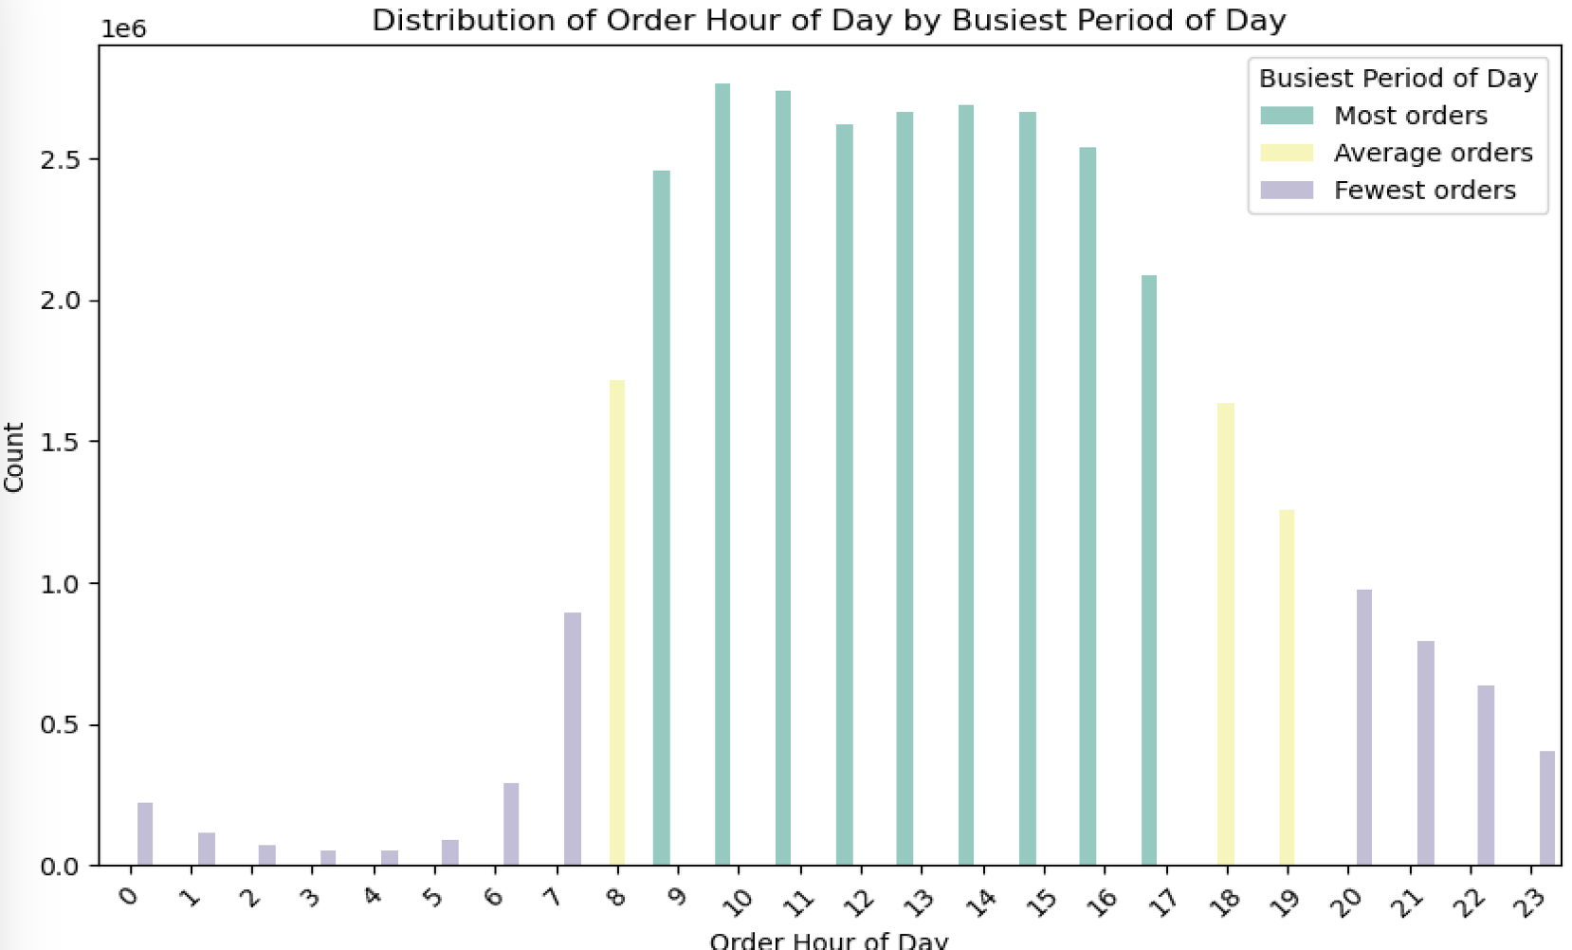

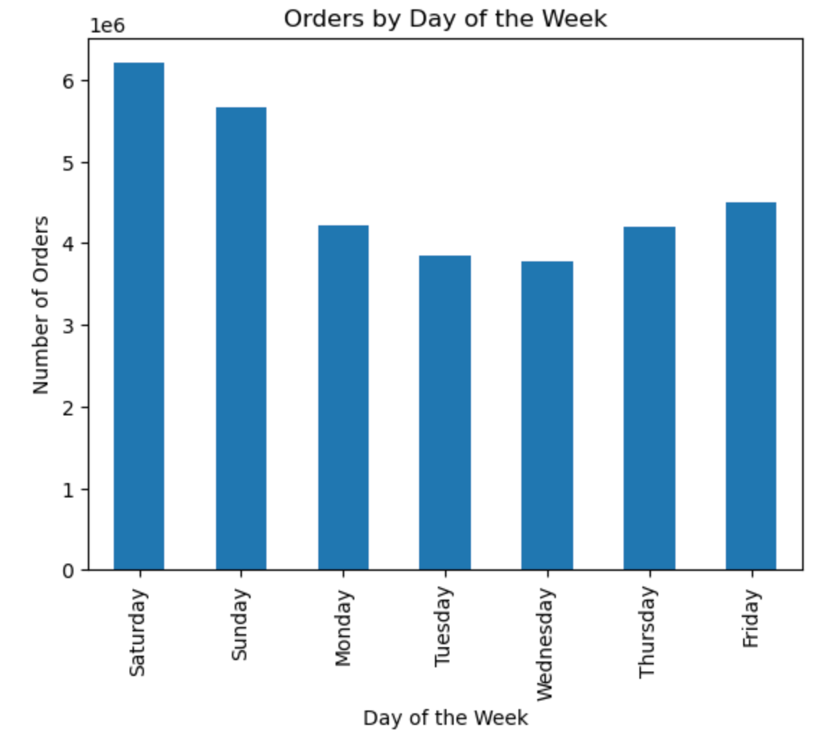

 |  | Most orders are placed between 9a - 5p, which is during normal working hours. Orders start to ramp up at about 7a, and start to trail off during the evening hours and into late night. The least amount of orders are placed before 8a and after 8p.
The busiest days of the week are Saturday/Sunday. The least busy days of the week are Tuesday/Wednesday,
Q.2 They also want to know whether there are particular times of the day when people spend the most money, as this might inform the type of products they advertise at these times.
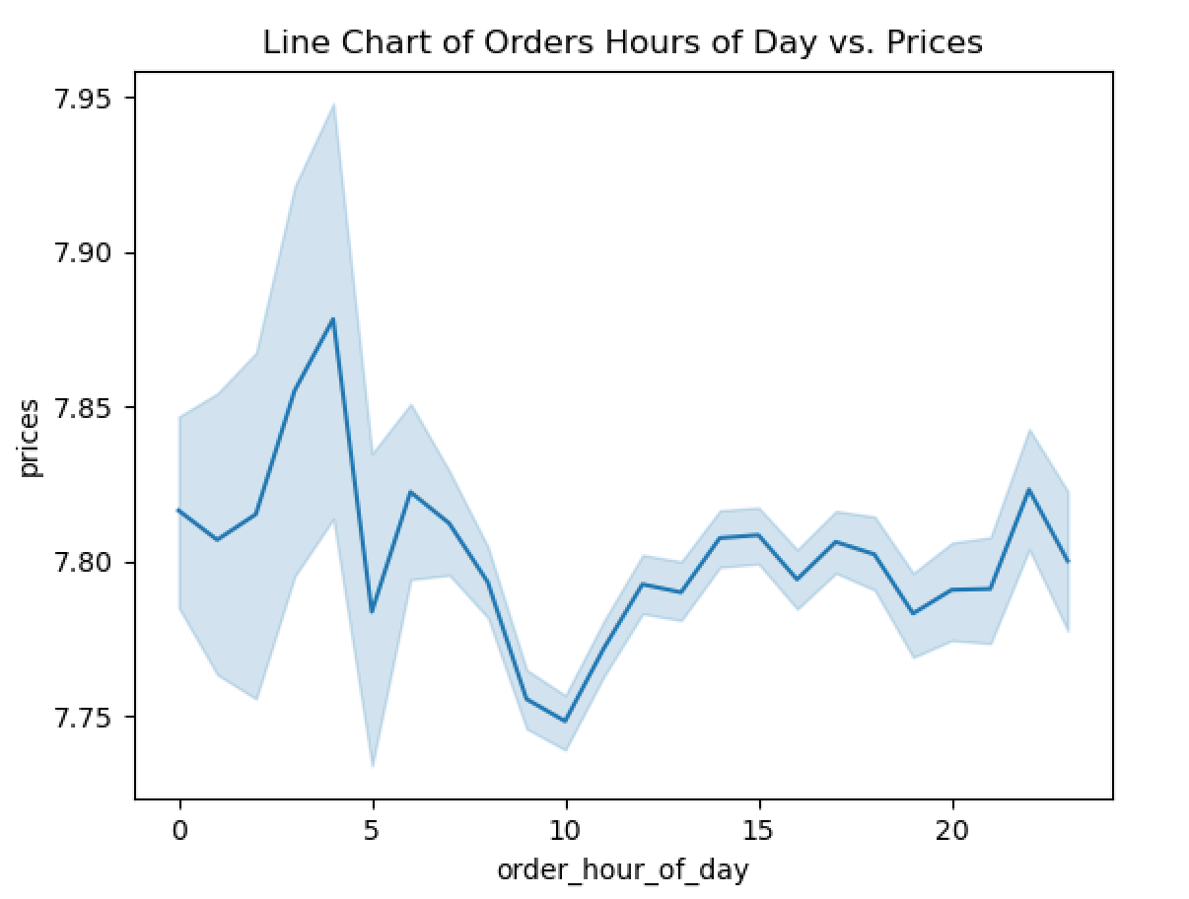
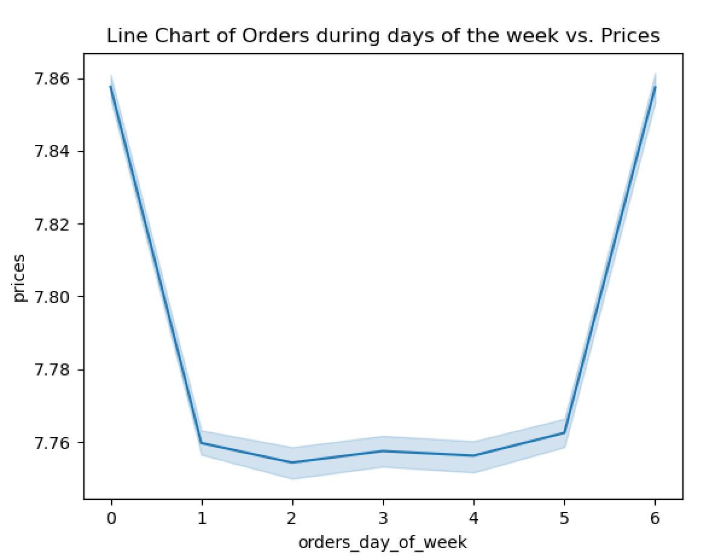

 |  |  |  |  |  |  |  |  |  | Days of the week |  |  | Days of the week |  | Hours of the day
 |  |  |  |  |  |  |  |  |  | Saturday | 0 |  | Most orders | Most expenditure | Most orders | Most expenditure
 |  |  |  |  |  |  |  |  |  | Sunday | 1 |  | Saturday | Saturday | 12am | 12am
 |  |  |  |  |  |  |  |  |  | Monday | 2 |  | Sunday | Sunday | 1 | 1
 |  |  |  |  |  |  |  |  |  | Tuesday | 3 |  | Monday | Monday | 2 | 2
 |  |  |  |  |  |  |  |  |  | Wednesday | 4 |  | Tuesday | Tuesday | 3 | 3
 |  |  |  |  |  |  |  |  |  | Thursday | 5 |  | Wednesday | Wednesday | 4 | 4
 |  |  |  |  |  |  |  |  |  | Friday | 6 |  | Thursday | Thursday | 5 | 5
 |  |  |  |  |  |  |  |  |  |  |  |  | Friday | Friday | 6 | 6
 |  |  |  |  |  |  |  |  |  |  |  |  |  |  | 7 | 7
 |  |  |  |  |  |  |  |  |  |  |  |  |  |  | 8 | 8
 |  |  |  |  |  |  |  |  |  |  |  |  |  |  | 9 | 9
 |  |  |  |  |  |  |  |  |  |  |  |  |  |  | 10 | 10
 |  |  |  |  |  |  |  |  |  |  |  |  |  |  | 11 | 11
 |  |  |  |  |  |  |  |  |  |  |  |  |  |  | 12pm | 12pm
 |  |  |  |  |  |  |  |  |  |  |  |  |  |  | 1 | 1
 |  |  |  |  |  |  |  |  |  |  |  |  |  |  | 2 | 2
 |  |  |  |  |  |  |  |  |  |  |  |  |  |  | 3 | 3
 |  |  |  |  |  |  |  |  |  |  |  |  |  |  | 4 | 4
 |  |  |  |  |  |  |  |  |  |  |  |  |  |  | 5 | 5
The line chart shows that more expensive producst are bought during the early and late hours of the day whilst least expensive products are bought during normal working hours. This behaviour is opposite to the fact that most orders take place during normal working hours. |  | The line chart shows that more expensive producst are bought on Saturdays and Fridays whilst least expensive products are bought from Sundays to Thursdays with Monday showing the lowest values. This behaviour would imply that customers spend more money after a weeks work and less when the working week is ahaed (Sundays) of them and during it (Monday through Thursday) |  |  |  |  |  |  |  |  |  |  |  |  | 8 9 10 11 | 8 9 10 11

Q.3 Instacart has a lot of products with different price tags. Marketing and sales want to use simpler price range groupings to help direct their efforts.
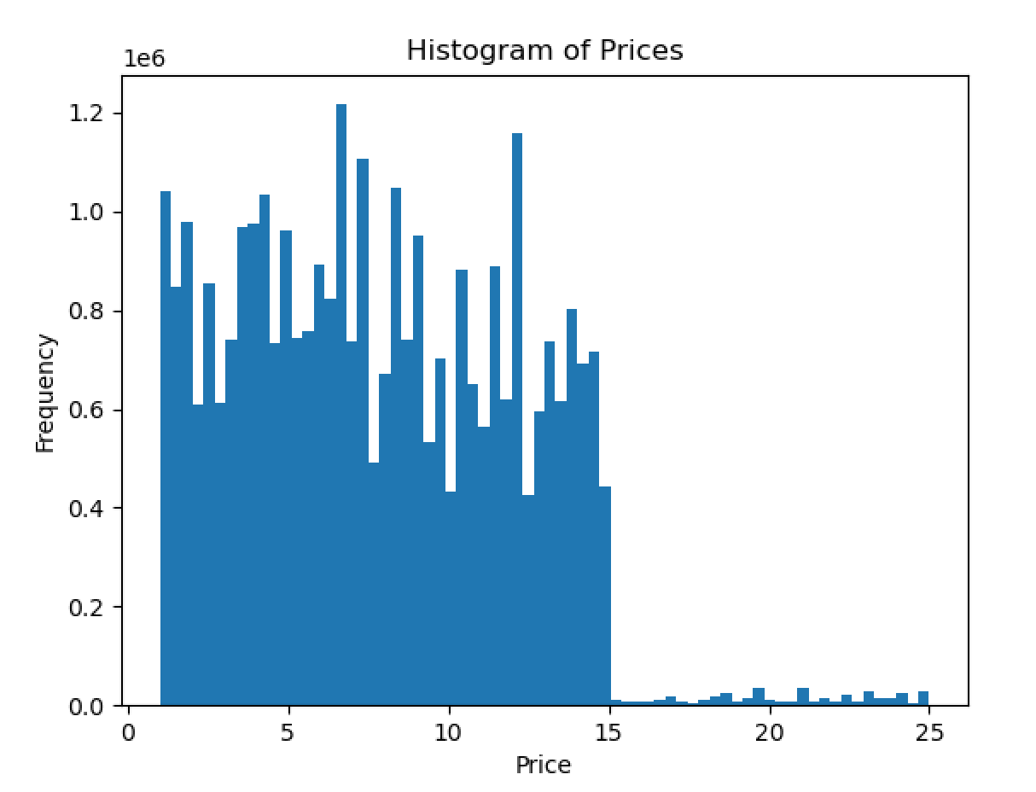
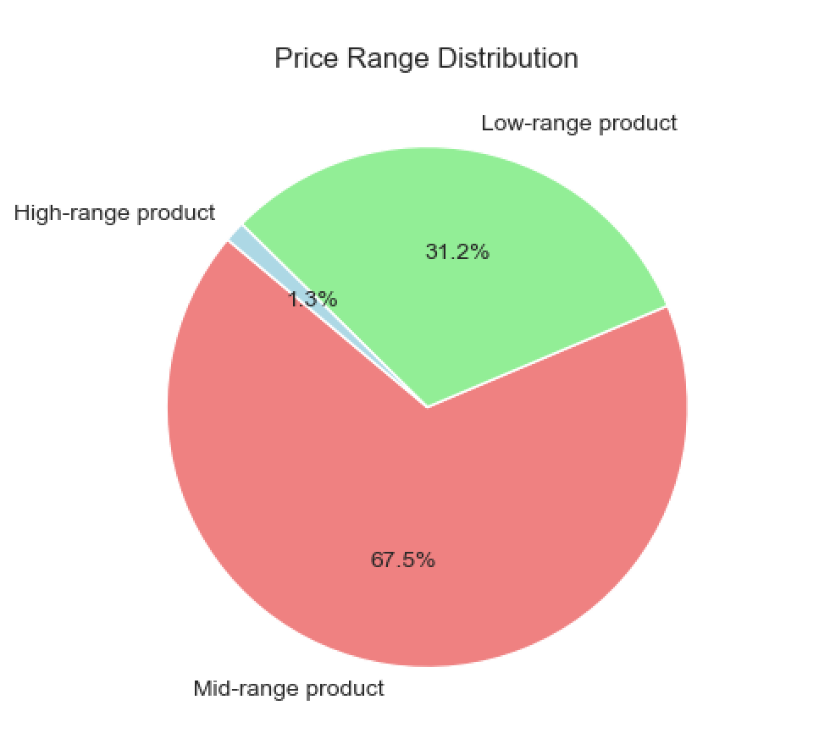

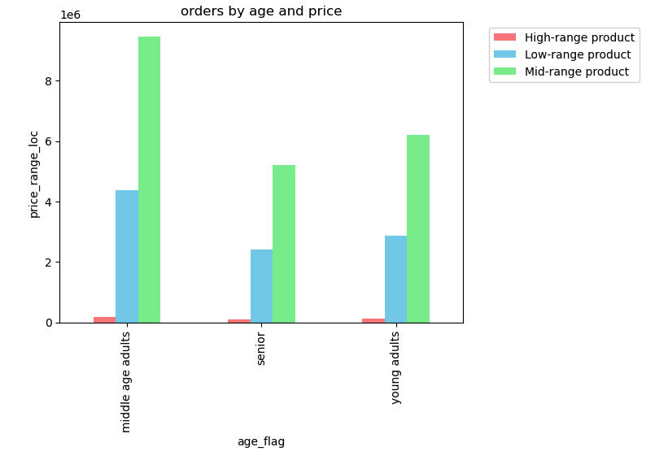

There's a huge reduction in order frequency for products that are priced > $15. The higher priced products barely making it onto the graph. |  |  | 67.5% of products are in the Mid-range price which we defined as prices above 5$ and equal or below 15$. Mid-range products are the most sold

Q.4 Are there certain types of products that are more popular than others? The marketing and sales teams want to know which departments have the highest frequency of product orders.

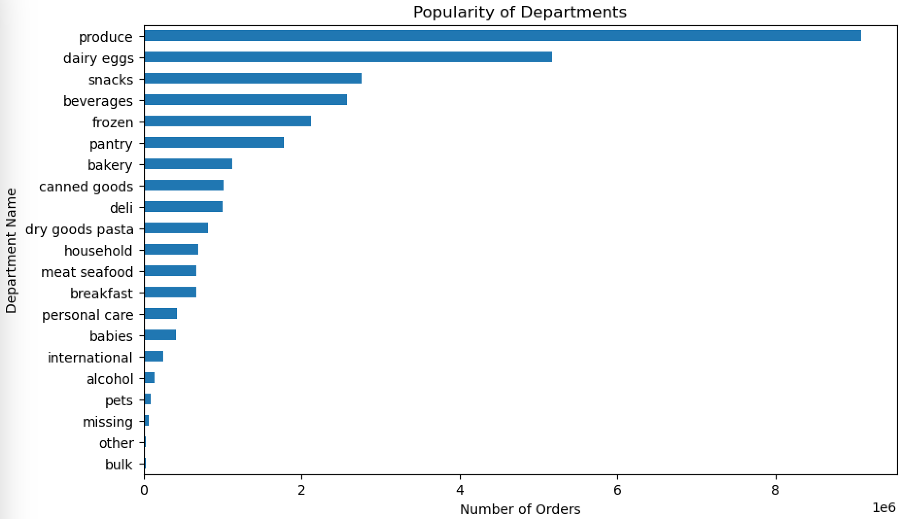
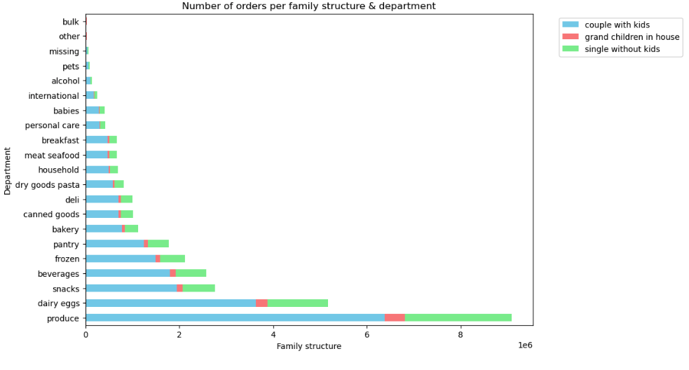
 |  |  | department | % of Total Orders | Order Frequency | Average Price
 |  |  | produce | 29% | 10.6 | $7.98
 |  |  | dairy eggs | 17% | 10.7 | $8.34
 |  |  | snacks | 9% | 10.7 | $4.28
 |  |  | beverages | 8% | 10.8 | $7.68
 |  |  | frozen | 7% | 11.4 | $7.73
 |  |  | pantry | 6% | 10.8 | $8.01
 |  |  | bakery | 4% | 10.8 | $7.86
 |  |  | canned goods | 3% | 11.3 | $7.55
 |  |  | deli | 3% | 11.1 | $7.78
 |  |  | dry goods pasta | 3% | 11.4 | $7.35
 |  |  | household | 2% | 11.6 | $7.38
 |  |  | meat seafood | 2% | 11.1 | $16.30
 |  |  | breakfast | 2% | 11.0 | $8.03
 |  |  | personal care | 1% | 11.3 | $8.00
 |  |  | babies | 1% | 9.8 | $7.63
 |  |  | international | 1% | 11.0 | $7.68
 |  |  | alcohol | 0% | 10.0 | $8.15
 |  |  | pets | 0% | 11.6 | $7.89
 |  |  | missing | 0% | 9.9 | $8.66
 |  |  | other | 0% | 10.6 | $6.96
 |  |  | bulk | 0% | 9.9 | $8.35
Produce and Dairy/eggs account for almost 50% of the orders. Household and pet products are the ones bought most frequently while baby products and alcohol are bought less frequently. The department with the highest average price is meat seafood and the one with the lowest is snacks.

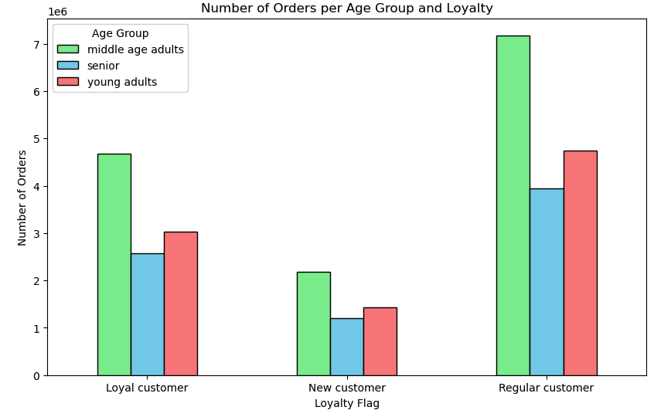
Q.5 What’s the distribution among users in regards to their brand loyalty (i.e., how often do they return to Instacart)?

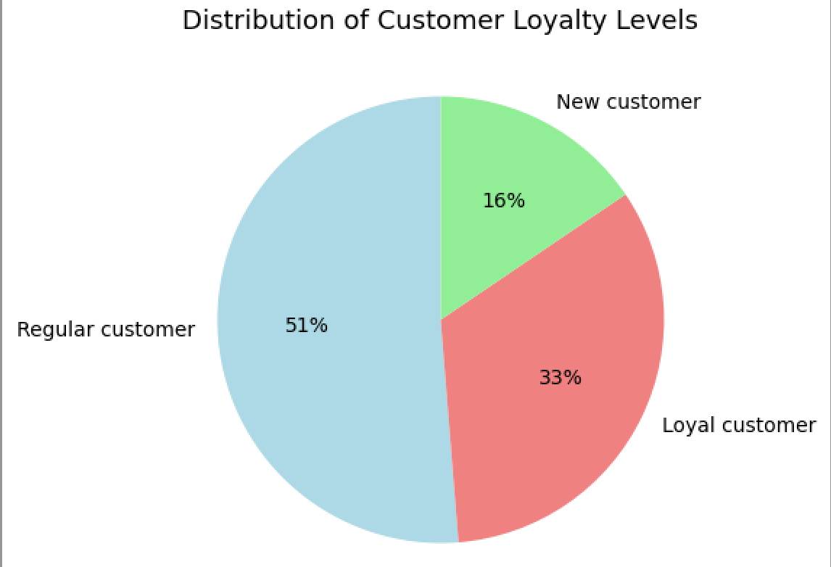

 | 51% of Instacart users are regular customers, having returned to Instacart between 11 - 40 times. Loyal customers, customers who have returned more than 40 times, are the next in frequency. The least frequent loyalty group are new customers, who have returned 10 times or less to Instacart.

Q.6 Are there differences in ordering habits based on a customer’s loyalty status?

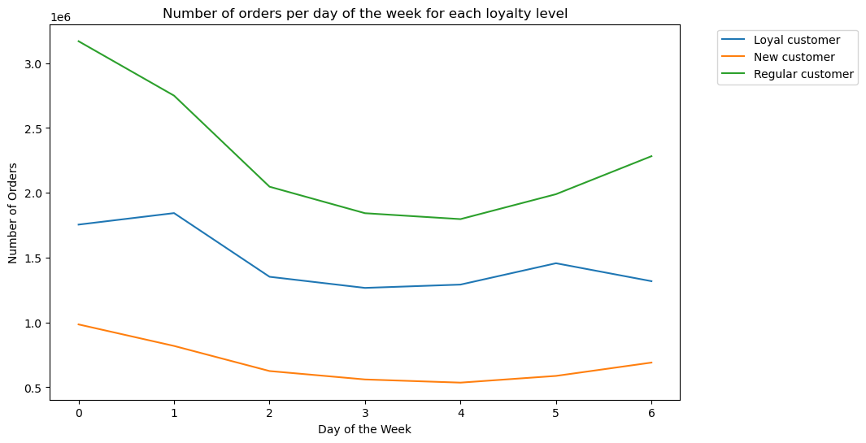

 |  |  | orders_day_of_week | Loyal customer | New customer | Regular customer
 |  |  | 0 | 1754731 | 984879 | 3169000
 |  |  | 1 | 1843401 | 818902 | 2749383
 |  |  | 2 | 1352343 | 625288 | 2047075
 |  |  | 3 | 1266495 | 560418 | 1842622
 |  |  | 4 | 1292042 | 535931 | 1797021
 |  |  | 5 | 1456715 | 587718 | 1989296
 |  |  | 6 | 1318366 | 690559 | 2282379

 |  |  | Regular customers make the most orders, ie, are the most active on every day of the week. On the other hand, New customers order the least. Regular customes order the most on Saturdays while Loyal customers do so on Sundays.

Q.7 Are there differences in ordering habits based on a customer’s region?

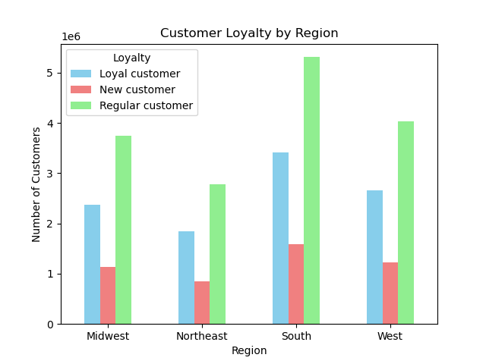

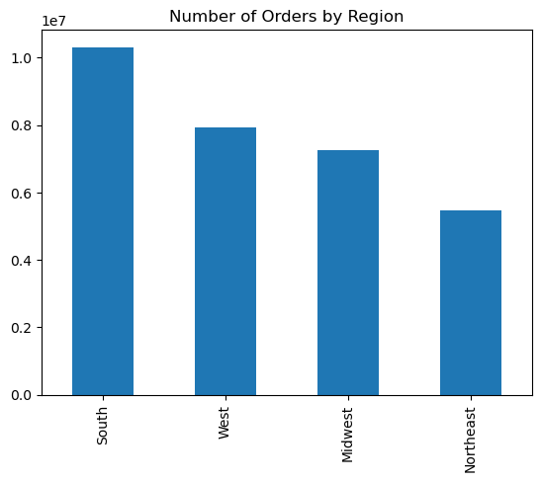
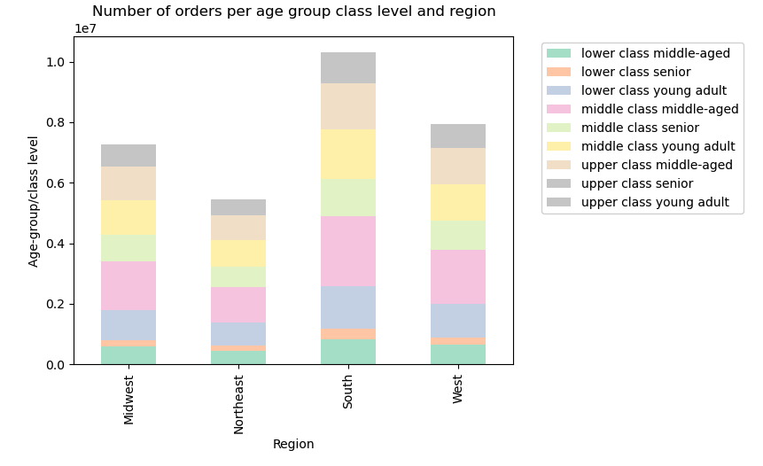
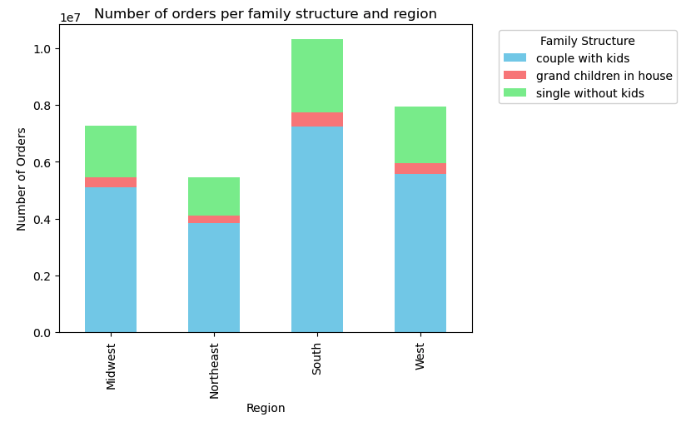
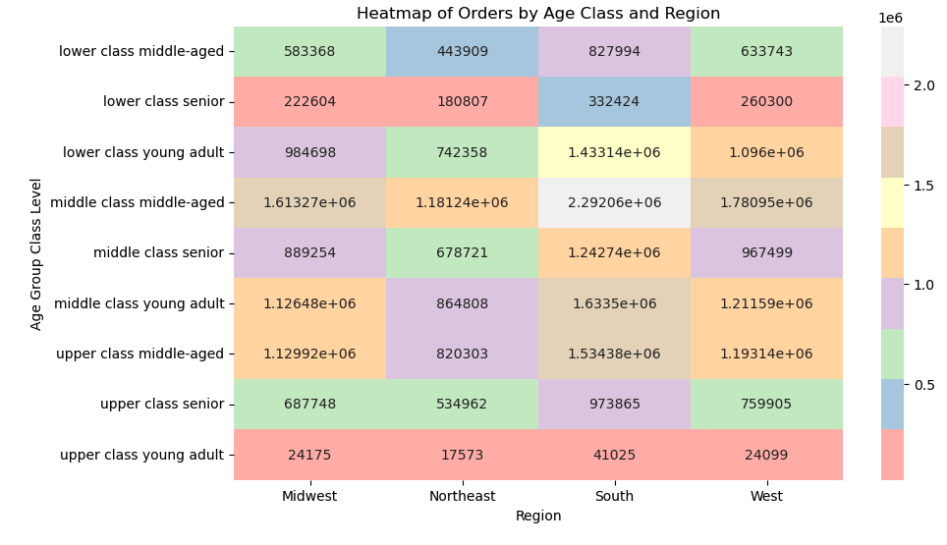
 |  |  |  |  |  |  |  |  |  |  |  | region | % of Total | Frequency | Average Price
 |  |  |  |  |  |  |  |  |  |  |  | South | 33% | 10.8 | $7.79
 |  |  |  |  |  |  |  |  |  |  |  | West | 26% | 10.8 | $7.79
 |  |  |  |  |  |  |  |  |  |  |  | Midwest | 23% | 10.9 | $7.79
 |  |  |  |  |  |  |  |  |  |  |  | Northeast | 18% | 10.8 | $7.78

The South region has the highest frequency of orders, followed by the West and Midwest regions. The Northeast region has the lowest frequency of customer orders. |  |  |  |  |  |  |  |  |  |  |  |  |  |  |  |  | A third of orders have been placed by users located in the South region. Ordering habits are consistent across all regions, with similar frequency, average price.
Q.8 Is there a connection between age and family status in terms of ordering habits?

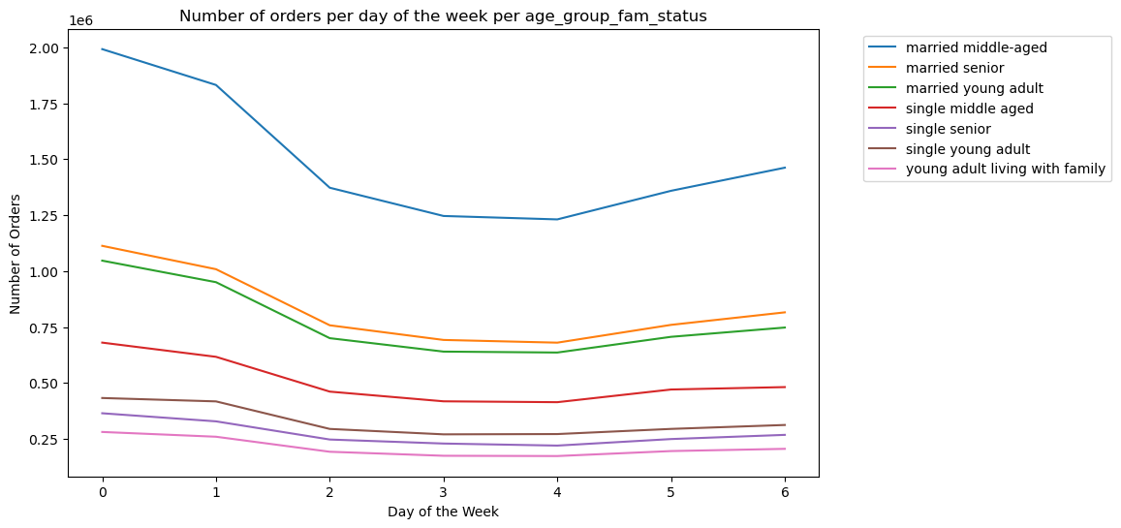
 |  |  |  |  | orders_day_of_week | married middle-aged | married senior | married young adult | single middle aged | single senior | single young adult | young adult living with family
 |  |  |  |  | 0 | 1991631 | 1112618 | 1046455 | 680109 | 364411 | 432558 | 280828
 |  |  |  |  | 1 | 1831509 | 1008168 | 950177 | 616648 | 328270 | 417432 | 259482
 |  |  |  |  | 2 | 1372290 | 757530 | 699939 | 461141 | 247067 | 294373 | 192366
 |  |  |  |  | 3 | 1246072 | 692052 | 639951 | 417778 | 229077 | 270187 | 174418
 |  |  |  |  | 4 | 1230786 | 679922 | 635813 | 413898 | 219929 | 271432 | 173214
 |  |  |  |  | 5 | 1358615 | 759454 | 706026 | 470561 | 249143 | 294470 | 195460
 |  |  |  |  | 6 | 1461893 | 815369 | 747441 | 481345 | 267824 | 312028 | 205404

 |  |  |  |  | Married customers make the most orders per day and per hour, with middle-aged married customers ordering the most by a large margin. On the other hand, young adults living with family orders the least, and their order amount doesn’t change much during any day of the week or hour of the day.

Q.9 What different classifications does the demographic information suggest? Age? Income? Certain types of goods? Family status?
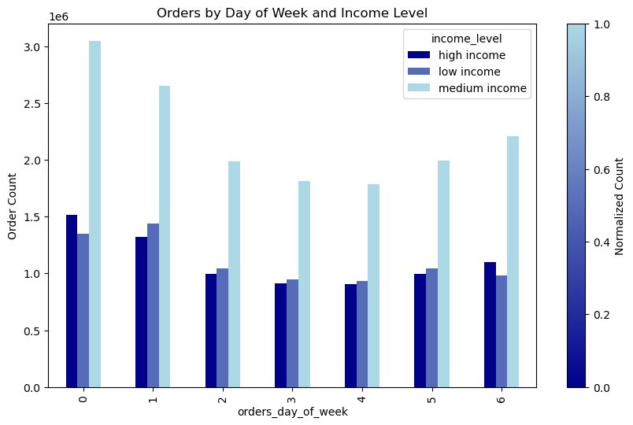
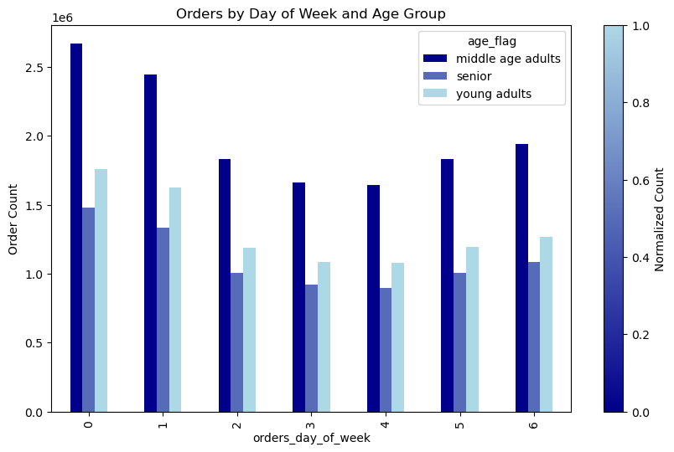
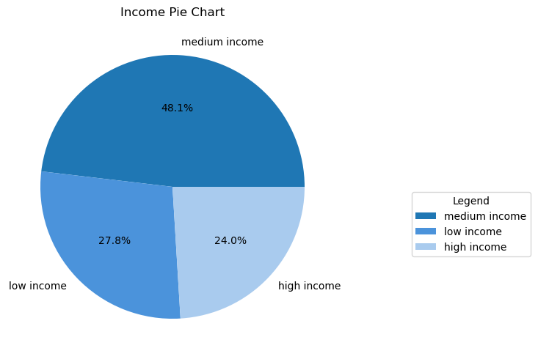

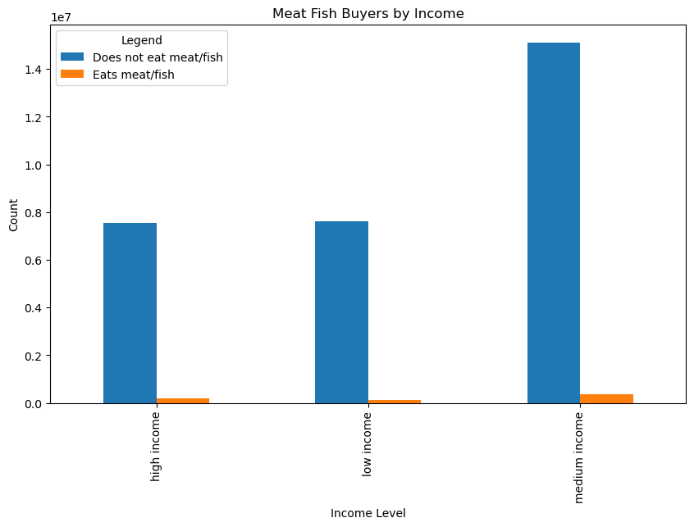

4.10 Visualizations
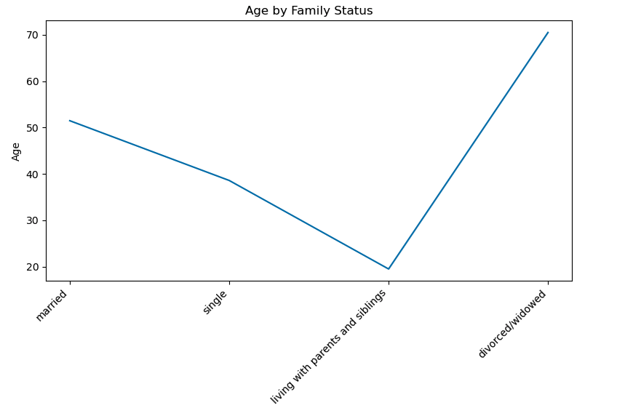
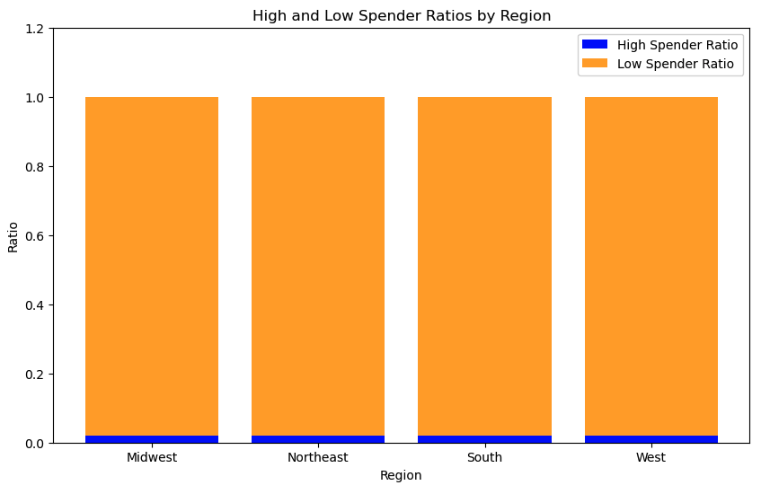
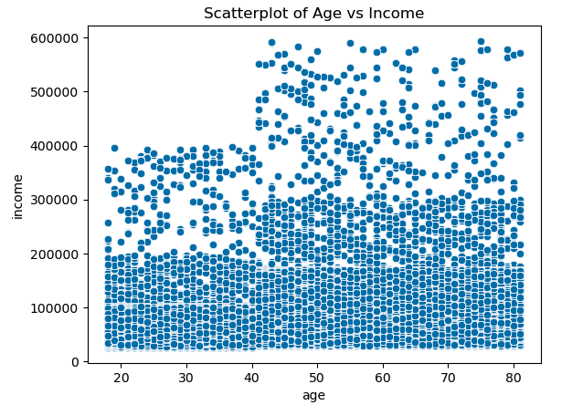

The scatterplot shows that population 40 and above tend to earn more than the younger population. ## it also shows at a glance that the averge wages across all population is maxed at 200000 |  | This line chart show a trend where the population < 25 are more likely to still live at home. Population aged 30 and above are generaly married, single divorced or widowed. |  |  |  |  |  |  | Bbased on the ratio for high and low sepnder by region there is no difference. The high ratio spender for all regions is 2% and the low ratio spender for all regions is 98%

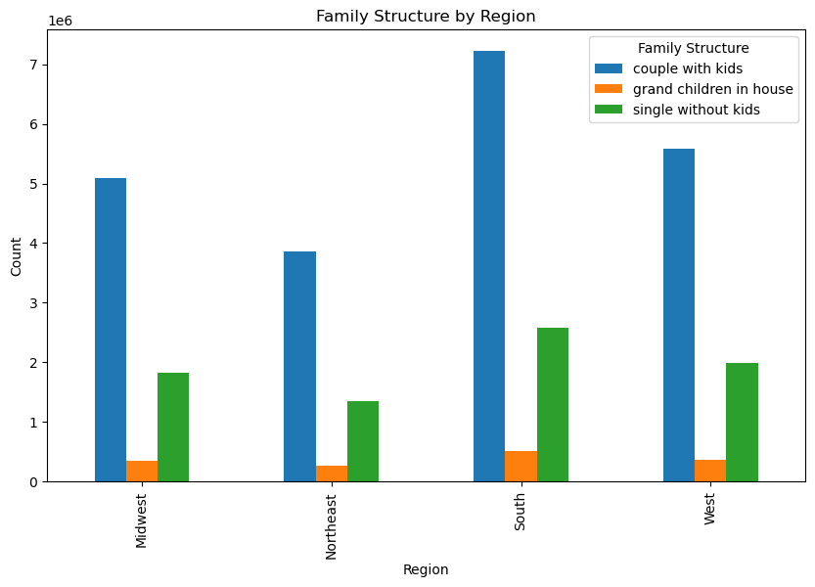
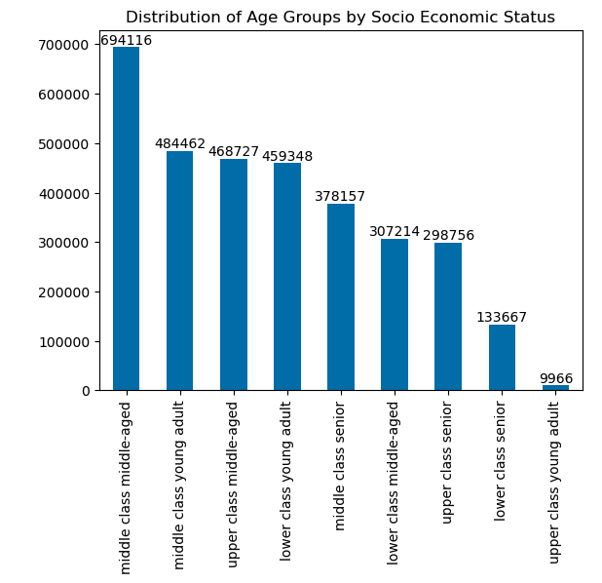

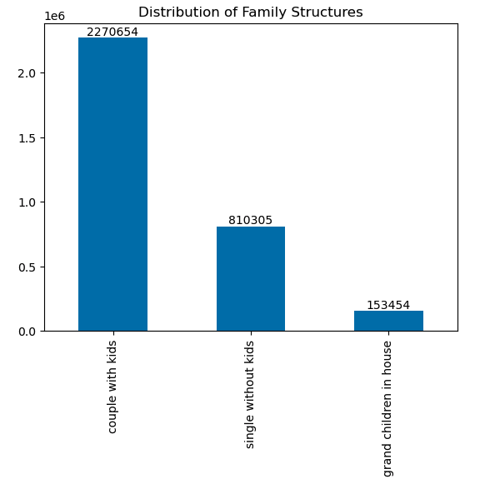

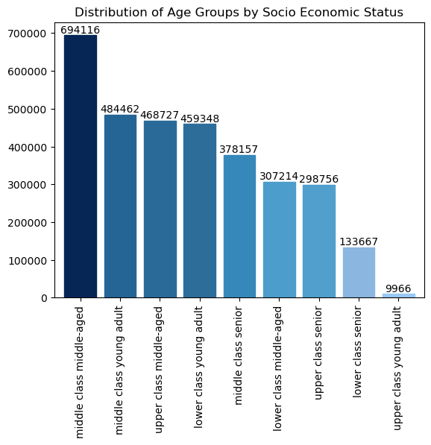
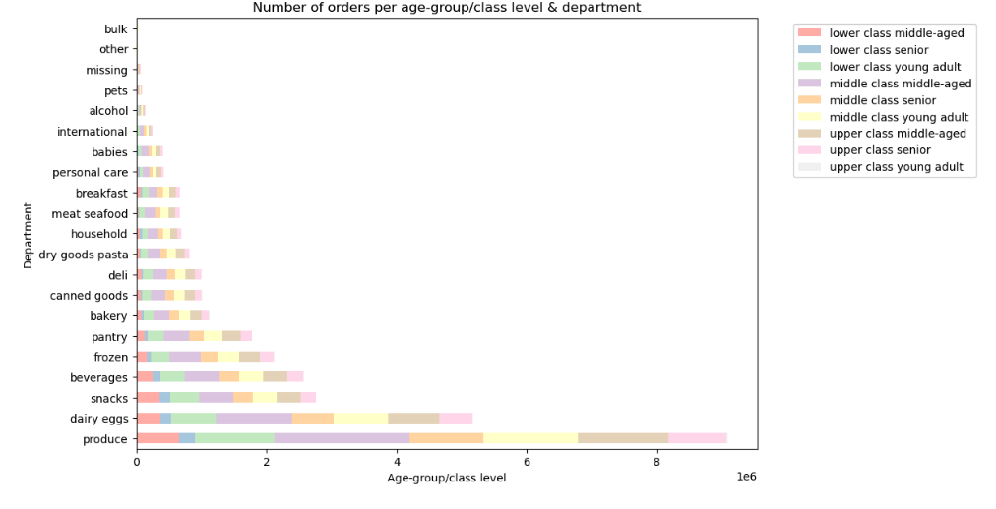
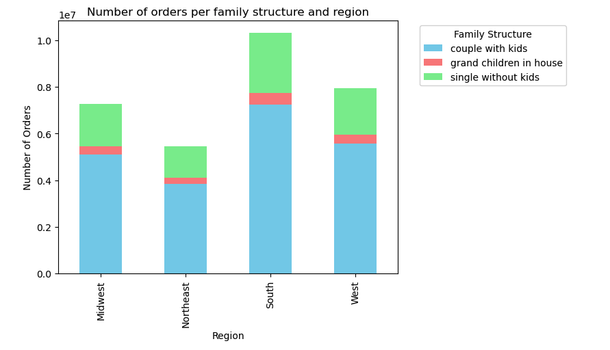

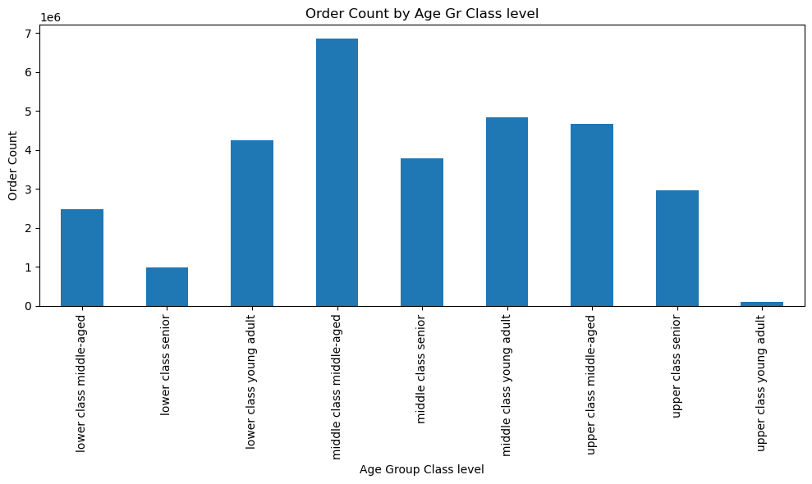
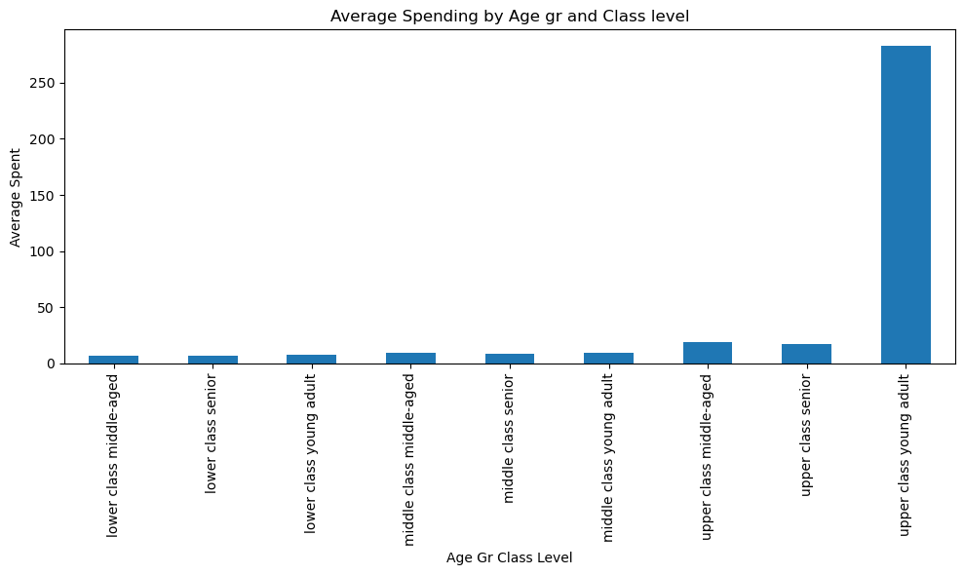
 |  |  |  |  |  |  |  |  |  |  | Age Group & Class Level | Average Spent | Order Count
 |  |  |  |  |  |  |  |  |  |  | lower class middle-aged | 7.0401160058 | 2489014
 |  |  |  |  |  |  |  |  |  |  | lower class senior | 6.7061499696 | 996135
 |  |  |  |  |  |  |  |  |  |  | lower class young adult | 7.609302784 | 4256199
 |  |  |  |  |  |  |  |  |  |  | middle class middle-aged | 9.0125751017 | 6867523
 |  |  |  |  |  |  |  |  |  |  | middle class senior | 8.8138820963 | 3778219
 |  |  |  |  |  |  |  |  |  |  | middle class young adult | 9.8370591825 | 4836383
 |  |  |  |  |  |  |  |  |  |  | upper class middle-aged | 18.904409288 | 4677739
 |  |  |  |  |  |  |  |  |  |  | upper class senior | 17.405881386 | 2956480
 |  |  |  |  |  |  |  |  |  |  | upper class young adult | 283.19610843 | 106872

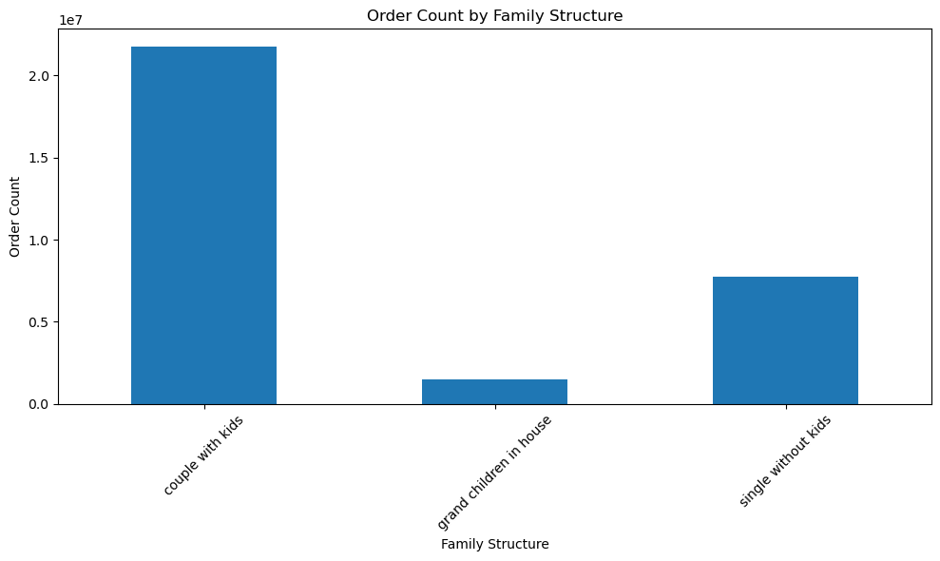
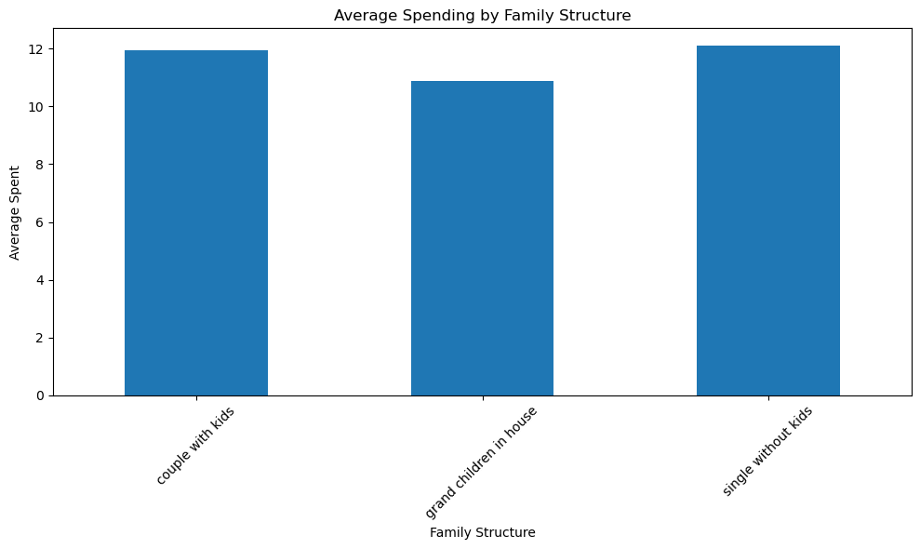
 |  |  |  |  |  |  |  |  |  |  | Family Structure | Average Spent | Order Count
 |  |  |  |  |  |  |  |  |  |  | couple with kids | 11.944390026 | 21743711
 |  |  |  |  |  |  |  |  |  |  | grand children in house | 10.890167448 | 1481172
 |  |  |  |  |  |  |  |  |  |  | single without kids | 12.102657164 | 7739681

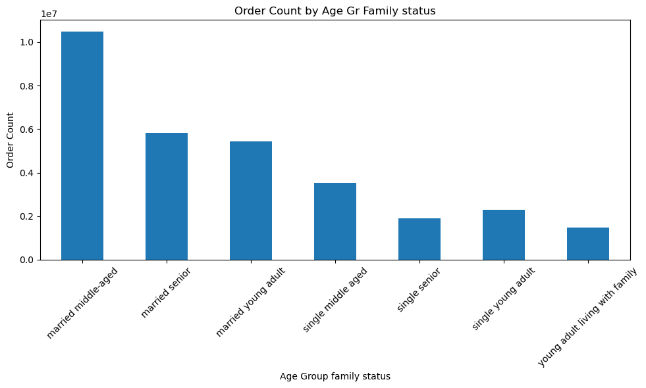
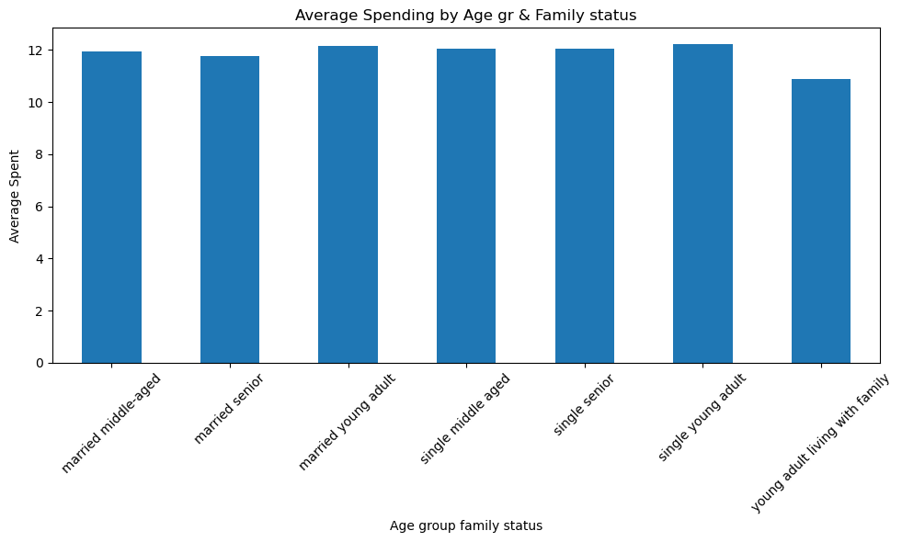

 |  |  |  |  |  |  |  |  |  |  | Age Group & Family Status | Average Spent | Order Count
 |  |  |  |  |  |  |  |  |  |  | married middle-aged | 11.933607439 | 10492796
 |  |  |  |  |  |  |  |  |  |  | married senior | 11.75149452 | 5825113
 |  |  |  |  |  |  |  |  |  |  | married young adult | 12.172333767 | 5425802
 |  |  |  |  |  |  |  |  |  |  | single middle aged | 12.037339841 | 3541480
 |  |  |  |  |  |  |  |  |  |  | single senior | 12.062292539 | 1905721
 |  |  |  |  |  |  |  |  |  |  | single young adult | 12.237115787 | 2292480
 |  |  |  |  |  |  |  |  |  |  | young adult living with family | 10.890167448 | 1481172

7. Recommendations
 |  | INSTACART MARKETING RECOMMENDATIONS

Recommendations

In this tab you should include any recommendations you would made to Instcart in terms of their marketing strategy based on the questions posed in the brief. Every key question has been covered in the Tasks of the Exercises - here you need to add an item - a visualisation or table/crosstable that is showing the answer in the data, acompanied by a comment from you. Please, list the questions below and add the answer underneath.

QUESTION | ANSWER |  | RECOMMENDATIONS
● The sales team needs to know what the busiest days of the week and hours of the day are (i.e., the days and times with the most orders) in order to schedule ads at times when there are fewer orders. | The busiest days of the week are Saturday/Sunday. These are the days with the highest number of orders. The least busy days of the week are Tuesday/Wednesday. These are the days with the lowest number of orders. Most orders are placed between 9a - 5p, which is during normal working hours. Orders start to ramp up at about 7a, and start to trail off during the evening hours and into late night. The least amount of orders are placed before 7a and after 8p. |  | In order to optimise ad scheduling andeffectively allocate resources, the following strategies should be considered Peak Hour Advertising: Concentrate ad campaigns and promotions during the peak hours between 10 am and 5 pm when the majority of orders are placed. Targeted Weekend Promotions: Since weekends and Fridays are the busiest days,, offering special promotions or discounts to attract even more customers during these high-demand periods could boost sales. Off-Peak Strategies: During the less busy hours, such as Tuesday and Wednesday, consider running ad campaigns that encourage customers to place orders by offering incentives such as 2x1, weekly discounts or point reward system. Night-time Specials: While order volume is low late at night, Instacart could explore running targeted late-night promotions to cater to night owl customers who may be looking for convenient shopping options during those hours. By aligning advertising strategies with the busiest days and peak hours as well as the less busy days and hours Instacart can optimize its marketing efforts to reach and engage customers more effectively, ultimately driving sales and customer retention.
● They also want to know whether there are particular times of the day when people spend the most money, as this might inform the type of products they advertise at these times. | "The line chart shows that more expensive producst are bought during the early hours between 12am and 4am whilst least expensive products are bought during normal working hours. This behaviour is opposite to the fact that most orders take place during normal working hours." |  | To make the most of this spending behaviour Instacart can consider the following recommendations: Late-Night Promotions: In order to keep this early morning customer base,, Instacart should promote products that are associated with late-night shopping needss. Lunchtime Deals: Given the lower spending between 5 am and 3 pm, offering breakfast and luchtime deals . Promoting products typically purchased during breakfast and lunch hours.. This strategy can help boost spending during this time frame. Allign product advertising with the times when people tend to spend more money and tailor promotions to address low-spending periodsin order to potentially enhance sales and customer engagement throughout the day.
● Instacart has a lot of products with different price tags. Marketing and sales want to use simpler price range groupings to help direct their efforts | There's a huge reduction in order frequency for products that are priced > $15. The higher priced products barely making it onto the graph. 67.5% of products are in the Mid-range price which we defined as prices above 5$ and equal or below 15$. Mid-range products are the most sold |  | Strategic Promotions: Focus marketing efforts and promotions on mid-range and low-range price products since they are the most sold. Implement targeted discounts, bundle deals, or featured product showcases for these categories to drive sales. High-Range Specials: Consider promoting high-range products as premium or specialty items and offer exclusive promotions or loyalty incentives to attract customers interested in higher-priced options, as these products often account for a significant revenue %
● Are there certain types of products that are more popular than others? The marketing and sales teams want to know which departments have the highest frequency of product orders. | Produce and Dairy/eggs account for almost 50% of the orders. Household and pet products are the ones bought most frequently while baby products and alcohol are bought less frequently. The department with the highest average price is meat seafood and the one with the lowest is snacks. |  | Given the dispersity of the different departments and how they impact the sales team the following recommendations should be taken into account: Promote Produce and Dairy/Eggs:, Highlight Household and Pet Products, Targeted Marketing for Baby Products and Alcohol and Upsell and Cross-Sell Meat and Seafood
● What’s the distribution among users in regards to their brand loyalty (i.e., how often do they return to Instacart)? | 51% of Instacart users are regular customers, having returned to Instacart between 11 - 40 times. Loyal customers, customers who have returned more than 40 times, are the next in frequency. The least frequent loyalty group are new customers, who have returned 10 times or less to Instacart. |  | Loyalty Programs: Since regular and loyal customers make up a significant portion of Instacart's user base, consider implementing or enhancing a loyalty program. New Customer Onboarding: Focus on improving the onboarding experience for new customers who have returned 10 times or less. Customer Retention Campaigns: Develop targeted marketing campaigns aimed at retaining regular and loyal customers.
● Are there differences in ordering habits based on a customer’s region? | - A third of orders have been placed by users located in the South region. Ordering habits are consistent across all regions, with similar frequency, average price and product mix. - |  | Based on the fact that a third of orders come from the South region and that there is a consistent ordering habit across all regions Instacart should consider the following marketing strategies: Regional Targeting: While ordering habits are consistent across regions, it's still important to acknowledge the significance of the South region. Consider running region-specific marketing campaigns or promotions that cater to the preferences or cultural nuances of customers in the South. Highlight products or services that are popular or in demand specifically in that region. Geotargeted Advertising: Use geotargeted advertising to reach customers in the South region. This can be done through online advertising platforms like Google Ads and social media ads, where you can specify your target audience by location. Customer Feedback and Surveys: Collect feedback from customers in the South region to understand their specific preferences and needs. Use this information to fine-tune product offerings and marketing strategies for this segment but also for the remaining geographical locations.
● Is there a connection between age and family status in terms of ordering habits? | Married couple with depedents place the highest number of orders. It is expected that the largest category of customers are parents with dependents. What is surprising is that there were no customers who are single parents with dependent Married middle aged also have the highest number of orders. Upper class young adults have a very high average spending compared to all other age_group_class_level categories. The remaining are all in line with each other |  | Based on what we have learned we can develop a marketing strategy focused on targeting married couples with dependents, married middle-aged individuals, and upper-class young adults. Since these groups have demonstrated the highest number of orders or spending, they should be the primary focus of your marketing efforts. Additionally, we should consider why there are no single parents with dependents and evaluate if there is an untapped market there. To compensate for the lower orders and spending in other customer categories, we could implement a multi-faceted approach that aims to broaden Instacart's customer base and increase their engagement. Here are strategies to target the other customer categories: Customer Segmentation:, targeted marketing campaigns, incentive and promotions.
What different classifications does the demographic information suggest? Age? Income? Certain types of goods? Family status? | Middle income customers place the highest number of orders Ordering habits across different age groups (Young adults, Middle-aged adults, and Senior citizens) for various product departments, it doesn't reveal a distinct pattern suggesting that age alone is a strong determinant of ordering habits. Ordering habits seem to vary across departments regardless of age. There is a notable increase in spending power after age 40. The mid-range products have the highest order frequency. Followed by the low-range products. The high-range products has only a very small number of orders. |  | Focus on Mid-Range Products: Since mid-range products have the highest order frequency, prioritize your marketing efforts around these products. Create promotions, discounts, and marketing campaigns that highlight the value and quality of these products. Segment Marketing by Age and Department: Avoid making age the sole determinant for marketing strategies. Instead, segment your marketing efforts by both age groups and product departments. Tailor your messaging to appeal to specific age groups within each department. Create Department-Specific Campaigns: As ordering habits vary across departments, design marketing campaigns that resonate with the specific needs and preferences of each department. Understand the pain points and motivations of customers in each category to craft compelling messaging. Promote Low-Range Products Strategically: Even though low-range products have decent order frequency, consider running promotions and bundles that encourage customers to explore other product ranges. Cross-selling and upselling strategies can help increase the average order value.
10. What differences can you find in ordering habits of different customer profiles? Consider the price of orders, the frequency of orders, the products customers are ordering, and anything else you can think of. | All customer profiles show the mid-range product orders with the highest frequency, followed by low-range products. Only the married older parent customer profile has order purchases for high-range products, and only a very small population of orders. All customer profiles show the produce department with the highest order frequency, followed by dairy/eggs, snacks, beverages and then frozen. The bulk department has the least number of orders, which is not even visible on the graph. Orders for the married older parent profile greatly exceed the other profiles by more than 3 times. It's followed by the single male and female groups. The single parent customer profile has the least amount of orders. The middle income married older parent profile far exceeds the other customer income profile groups. The next group that follows, the upper income married older parent group, is a little less than half the order frequency. The customer income profile group with the least orders is the Upper income single parent profile. Across all the customer profiles, the majority of customers fall into the frequent customer group. A very small population of each profile falls into the non-frequent customer group. |  | Based on the information gathered about customer profiles and their order preferences, here are some marketing recommendations: Target Mid-Range and Low-Range Products: Since mid-range products have the highest frequency of orders across all customer profiles, focus your marketing efforts on promoting these products. Additionally, consider running special promotions or discounts on low-range products to attract a wider audience. Product Department Prioritization: Given that the produce department has the highest order frequency across all customer profiles, allocate more marketing resources and promotional efforts to this department. Consider cross-promotions or bundling deals with the dairy/eggs, snacks, and beverages departments, as they are also popular among customers. Income Profile Targeting: Focus on the middle-income married older parent group, as they are the most frequent customers. Create targeted marketing campaigns, loyalty programs, and discounts for this segment. For the upper-income married older parent group, consider offering premium products or services that align with their spending capacity. Develop strategies to attract more orders from the upper-income single parent profile, as they currently have the lowest order frequency. Frequent vs. Non-Frequent Customer Segmentation: Identify ways to convert non-frequent customers into frequent ones. Implement targeted marketing campaigns, discounts, or rewards to incentivize repeat purchases. For frequent customers, consider creating a loyalty program that offers benefits for continued patronage.

